Q12 Word Cloud
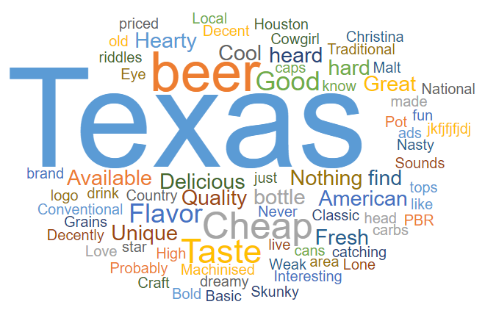
Q12_OE_What word or phrase comes to mind when thinking about Lone Star beer?

Q14 Word Cloud
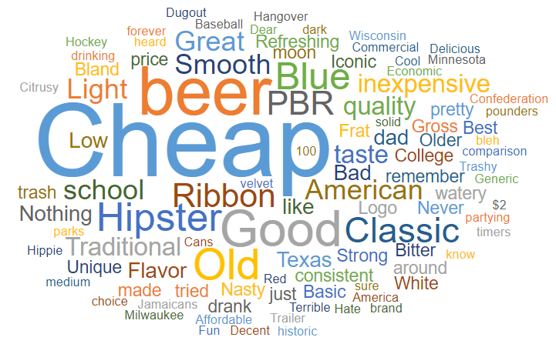
Q14_OE_What word or phrase comes to mind when thinking about Paps Yellow Ribbon beer?

